9 Mtr Bus
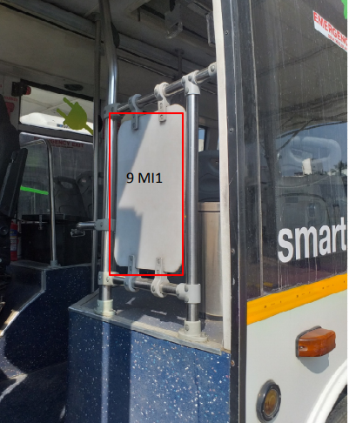
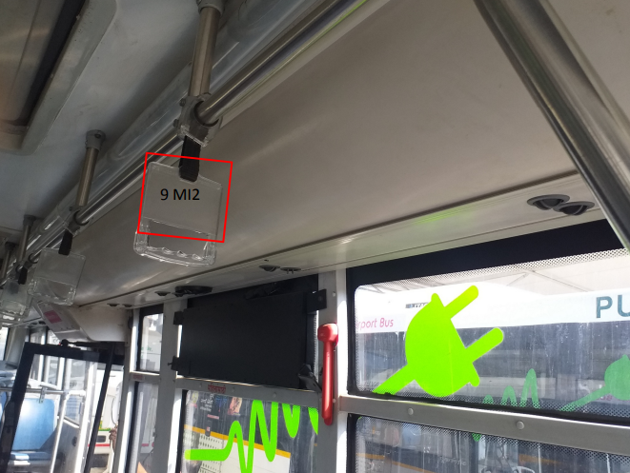
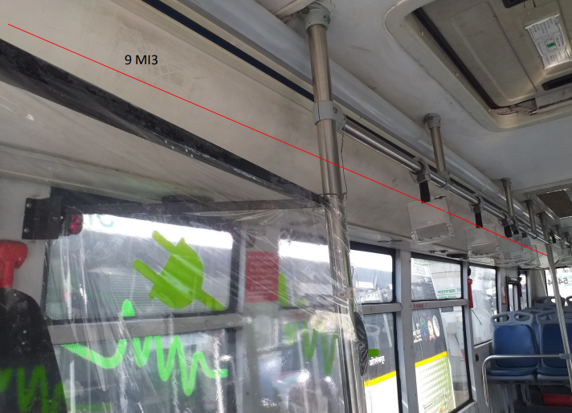
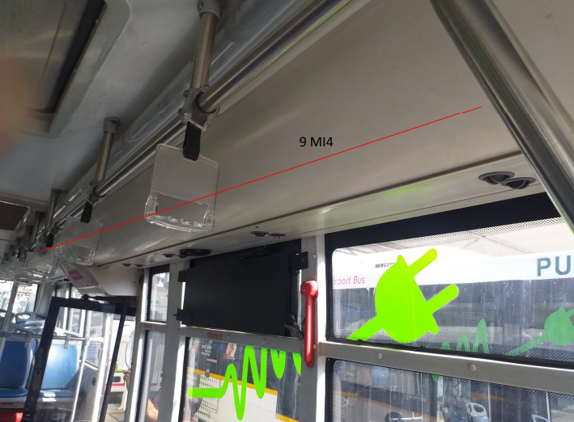
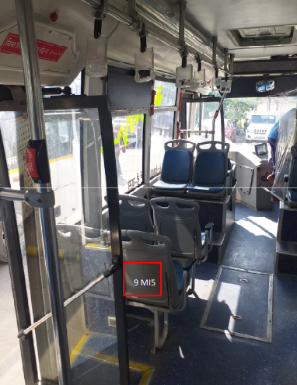
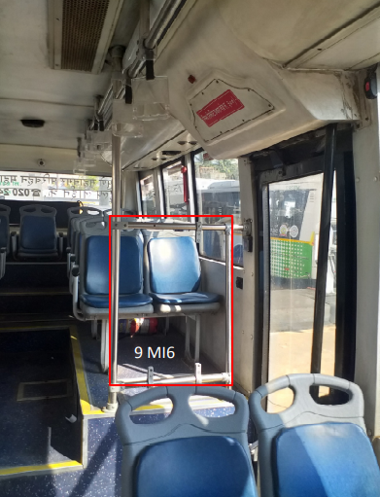
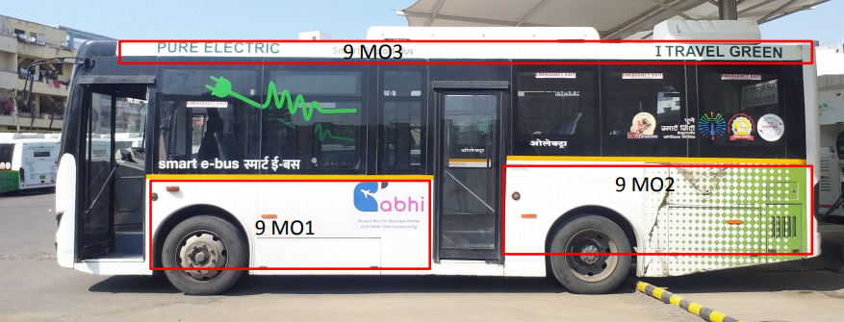
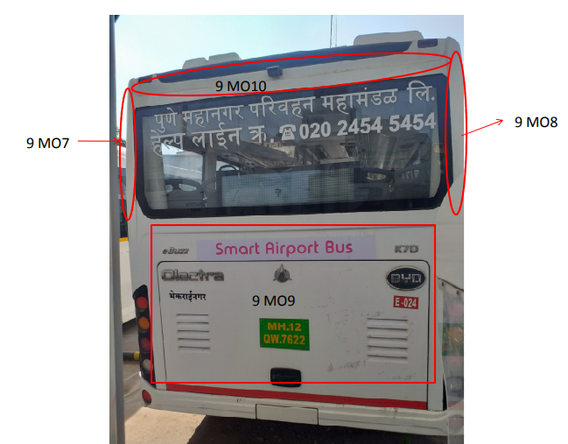
 | Outside wrap | W (inches) | H (inches)
9 MO1 | Left Side 1 st | 128 | 42
9 MO2 | Left Side 2 nd | 132 | 50
9 MO3 | Top Panel | 313 | 6 | 2 Nos.
9 MO4 | Right Side | 328 | 42
9 MO5 | 1 st tyre | 34 inches;48 inches tyre gap
9 MO6 | 2 nd tyre | 28 inches;48 inches
9 MO7 | Back Corner Left | 21 | 53
9 MO8 | Back Corner Right | 21 | 53
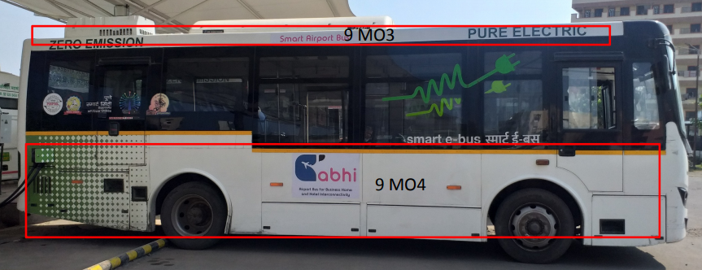
9 MO9 | Back Panel | 79 | 47
9 MO10 | Top Back Panel | 84 | 8

 | Inside branding | W (inches) | H (inches)
9 MI1 | Notice Board | 13.5 | 17.5 | 2
9 MI2 | Grab Handles | 5 | 3 | 15
9 MI3 | Right Side Duct | 264 | 14 | 2
9 MI4 | Left side Duct | 206 | 14 | 2
9 MI5 | Passenger Seat Back | 10 | 12 | 16
9 MI6 | Notice Board | 12 | 24 | 2

12 Mtr Bus
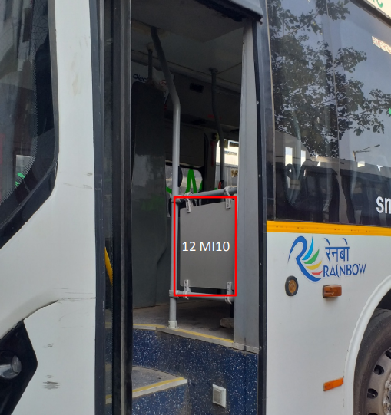
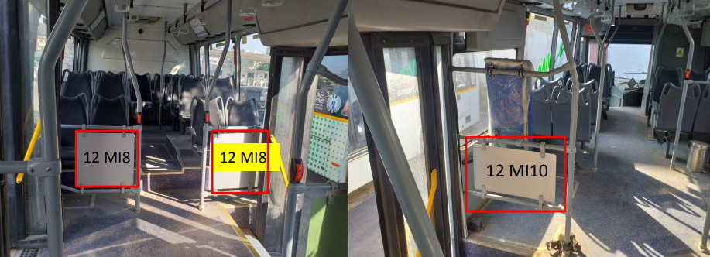
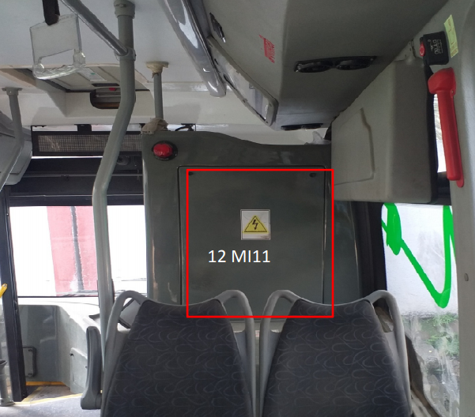
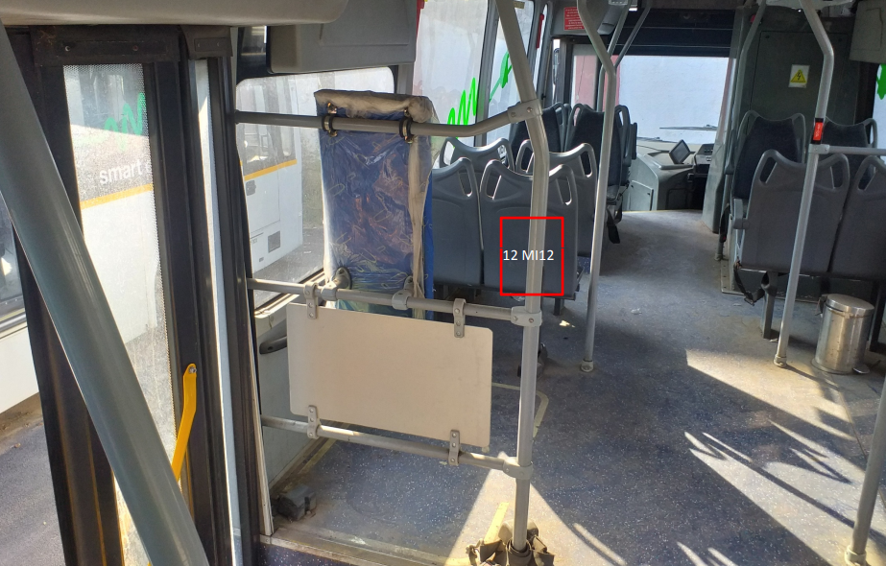
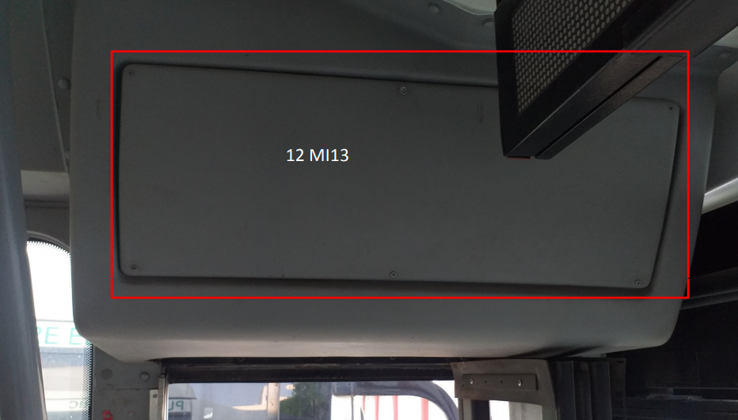
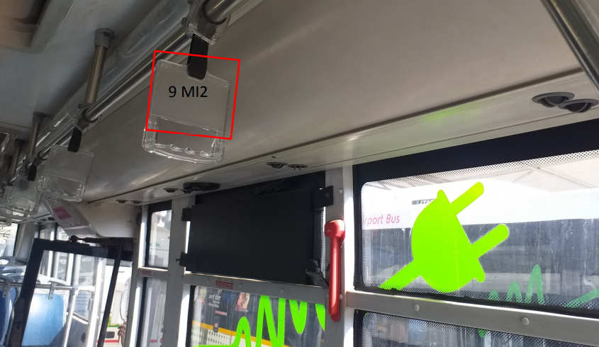
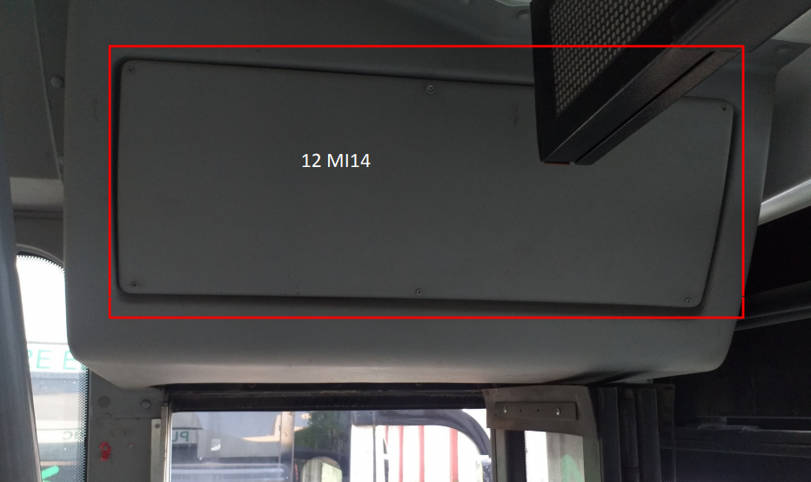
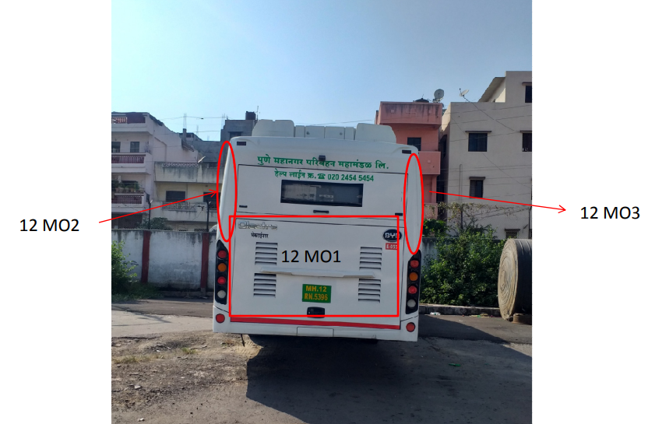
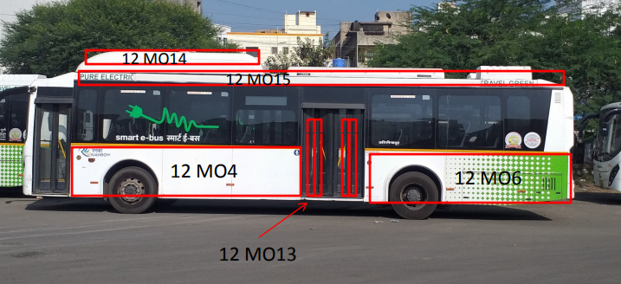
 | 12 Mtr Bus
 | Outside wrap | W (inches) | H (inches)
12 MO1 | Back Panel | 83 | 49
12 MO2 | Back Corner Left | 32 | 48
12 MO3 | Back Corner Right | 32 | 48
12 MO4 | Left Side 1st | 195 | 43
12 MO5 | 1 st Tyre Location | 28 inch ; 48 inches tyer gap;Above tyre 10 inches space.
12 MO6 | Left Side 2nd | 170 | 43
12 MO7 | Back Tyre Location | 20 inches;48 inches tyre gap
12 MO8 | Right Side 1 st | 151 | 43
12 MO9 | 1 st Tyre Location | 34 inches from starting
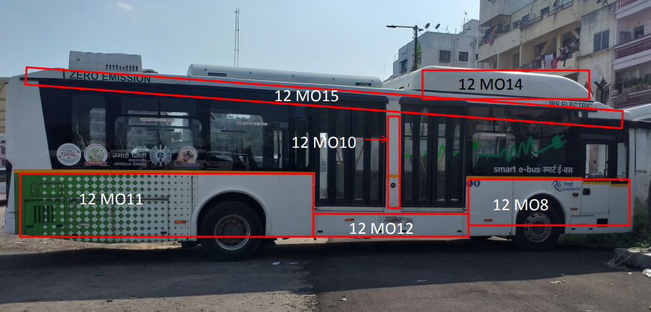
12 MO10 | Right Side 2 nd | 11 | 74
12 MO11 | Right Side 3 rd | 185 | 43
12 MO12 | Below Middle Door | 116 | 20
12 MO13 | 2 nd glass Door | 8 | 74 | 4 Nos
12 MO14 | Exterior A/C Duct | 154 | 14 | 2 Nos.
12 MO15 | Top Panel | 420 | 7 | 2 Nos.
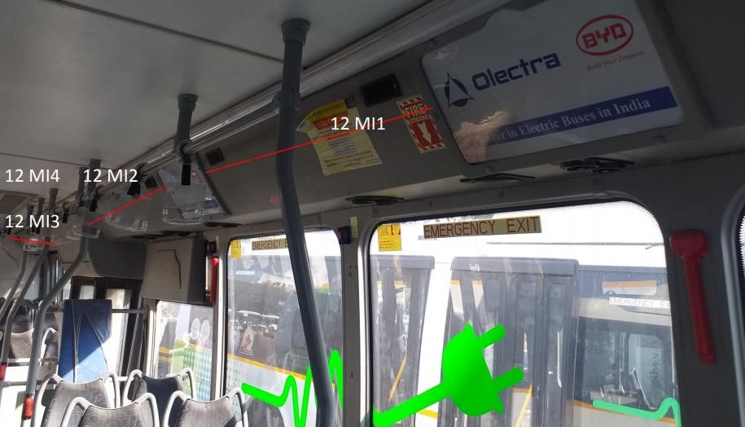
 | Inside branding | W (inches) | H (inches)
12 MI1 | Opp.Driver Side Duct 1 | 60 | 14
12 MI2 | Opp.Driver Side Duct 2 | 68 | 14
12 MI3 | Opp.Driver Side Duct 3 | 67 | 14
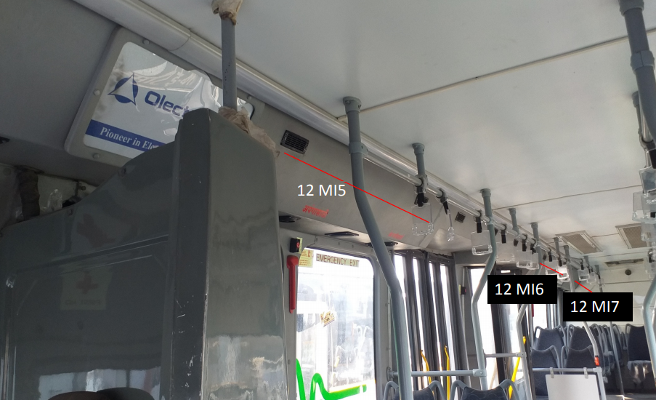
12 MI4 | Opp.Driver Side Duct 4 | 50 | 14
12 MI5 | Driver Side 1 | 72 | 14
12 MI6 | Driver Side 2 | 74 | 14
12 MI7 | Driver Side 3 | 72 | 14
12 MI8 | Notice Board 1 | 21 | 20
12 MI9 | Notice Board 2 | 21 | 20
12 MI10 | Notice Board 3 | 17 | 18
12 MI11 | Driver Back Side | 22 | 30
12 MI12 | Paasenger seat Back | 11 | 16
12 MI13 | Middle Door Top Panel | 51 | 15
12 MI14 | Front Door Top Panel | 31 | 11

